Projektplan
Technology transfer project plan template
 | Project name:
 | Project leader:
 | Project begin:

WP-No. | Work packages | Ressources | Month 1 | Month 2 | Month 3 | Month 4 | Remarks

 | Project Management
 | Project planning |  |  |  |  |  | Work packages, process, deadlines, resource allocation, (costs)
 | Project controlling |  |  |  |  |  | target-performance comparison, management activities
 | Project closure |  |  |  |  |  | Final calculation, handover/presentation, complete archiving

 | Project Owner / Tutor
 | Kick-off workshop |  |  |  |  |  | collaborative start
 | Open science? |  |  |  |  |  | Open source and/or open data?
 | Review and feedback |  |  |  |  |  | on-side or video call
 | Handover and instruction in source code |  |  |  |  |  | collaborative opening: source code project in IDE, build and run
 | Final presentation |  |  |  |  |  | Meeting on-side

 | Problem formulation
 | Industrial problem/issue/needs |  |  |  |  |  | Reports what the problem is, where it occours, and who observed it
 | Context |  |  |  |  |  | Reports environments factors such as settings and locations
 | Research questions with priority |  |  |  |  |  | Research questions or similar
 | Contact persons |  |  |  |  |  | academic and industrial

 | Literature Search |  |  |  |  |  | Systematic literature review OR systemic mapping study
 | Planning the review |  |  |  |  |  | SLR RQ's, Keywords, inclusion/exclusion criteria, Data extraction table
 | Conducting the review |  |  |  |  |  | search, selection, extraction, synthesis
 | Reporting the review |  |  |  |  |  | quantitative summary results in tables, discussion of principal findings
 | Implications for own development |  |  |  |  |  | Approaches available? Ideas, requirements, input …

 | Software Development |  |  |  |  |  | Candidate Solution, developed in close collaboration (industrial partner)
 | Prepare IDE and tools |  |  |  |  |  | development environment
 | Agile development |  |  |  |  |  | Backlog, refinements, sprint (plan, do, review), version control, release
 | Testing |  |  |  |  |  | Bucktracking, Bugfixing, …
 | Documentation |  |  |  |  |  | Screenshots and screenvideos embedded in documents & presentations
 | Release as open source project |  |  |  |  |  | Publication via tutor

 | Software Deployment
 | Prepare stage/production environment |  |  |  |  |  | Environment on which to deploy the releases
 | Test deploy |  |  |  |  |  | Test cases, test protocols, test
 | Deploy release |  |  |  |  |  | stage/production will be updated
 | Software configuration management |  |  |  |  |  | configuration data versioning
 | Release as open data project |  |  |  |  |  | git hub or researchgate via tutor

 | Evaluation |  |  |  |  |  | … not the developer, validation in academia
 | Goal/Question/Metric definition |  |  |  |  |  | Goals, objects of measurement (questions) and appropriate metrics
 | Create evaluation data table |  |  |  |  |  | set of data (appropriate metrics)
 | Measurement: previous "old" system |  |  |  |  |  | qualitative assurance procedures (data review/validation, consistency)
 | Measurement: "new" system |  |  |  |  |  | qualitative assurance procedures (data review/validation, consistency)
 | Statistical analysis |  |  |  |  |  | descriptive statistics (distribution etc.), data set reduction
 | Statistical report |  |  |  |  |  | explain evaluation results, limitations, inferences an lessons learnt

 | Scientific Contribution
 | Discussion of research questions |  |  |  |  |  | Evidence or reject?
 | Generic problem-solution rules |  |  |  |  |  | Formulation and discussion, also in releation to literature approaches
 | Create visual abstracts |  |  |  |  |  | Use the visual abstract template for the problem-solution rules

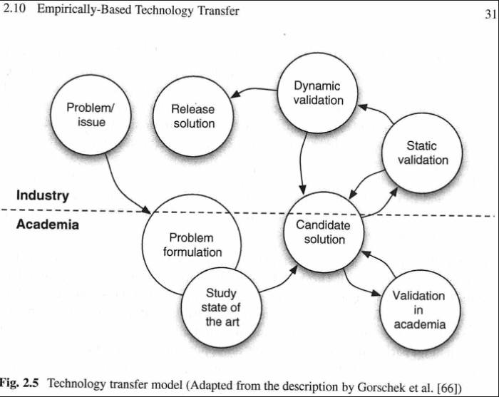

https://doi.org/10.1007/978-3-642-29044-2 |  | Page 31

